Assessment Form
ALWAYS = 2
SOMETIMES = 1
NEVER = 0
What's Your Grade?
Slips, trips and falls are the #2 leading cause of workplace injuries. Complete this quick assessment to grade your slip, trip and fall program. If the sentence is true all the time, enter "2". If sometimes true, enter "1". If never true, or if you don't know, enter "0" (zero). Then, click the button "Find your grade" on the chart!
 | General
1 | Is there a facilities contact to call if you find an issue, and is that number readily available to all employees?
2 | Is a procedure in place to report all types of slip, trip and fall hazards?
 | Flooring
3 | Is flooring in the workplace regularly inspected for issues that may need repairs?
4 | Are there regular inspections of the pavement and concrete surfaces surrounding your buildings?
5 | Are repairs completed immediately when issues are reported?
6 | Are warning signs immediately placed in/on/around risky areas until issues are repaired?
7 | Do you have non-skid mats placed on slippery surfaces?
8 | If conditions warrant (rain, snow, etc.), are mats placed at your entry doors, appropriately covering areas fully, and follow the correct step/length considerations?
 | Lighting
9 | Is there proper interior and exterior lighting, illuminating common areas that employees or customers might trip or fall?
10 | Are stairways and steps well lit?
11 | Are all light bulbs (fluorescent, incandescent, LED, etc.) in good working order?
12 | Are there regular inspections of interior and exterior lighting?
13 | If a bulb is burned out, is it immediately repaired?
 | Housekeeping
14 | Are all spills cleaned up immediately?
15 | Are warning signs immediately placed in/on/around spills until they are clean and dry?
16 | Are walking surfaces and walkways always kept clean and free of clutter?
17 | Are all power, internet, phone and other cords tucked away / taped so they're not trip risks?
18 | Are power outlets, internet connections and phone jacks installed in easily-accessible locations to avoid running cables across walkways?
19 | Are employees trained in how to avoid tripping hazards, such as closing file drawers and removing walkway hazards?
 | Employee Engagement
20 | Are all employees encouraged to identify safety issues before a problem occurs (no matter how minor it seems)?
21 | Are employees personally accountable for any spills or tripping risks they may have caused?
22 | Do employees help each other when an object is dropped or a spill occurs that might pose a risk?
23 | Are all employees actively reporting slip and trip hazards?
25 | Do you have a recognition/engagement program ecouraging employees to help others be safe?
25 | Do you have a safety shoe program in place that applicable employees use regularly?
 | Your Score: | 0
CLICK TO FIND YOUR SPOT ON THE MATURITY CHART!
CLICK TO FIND YOUR GRADE!

Find your spot!
Complete the questions on the Assessment Form worksheet to find your grade!

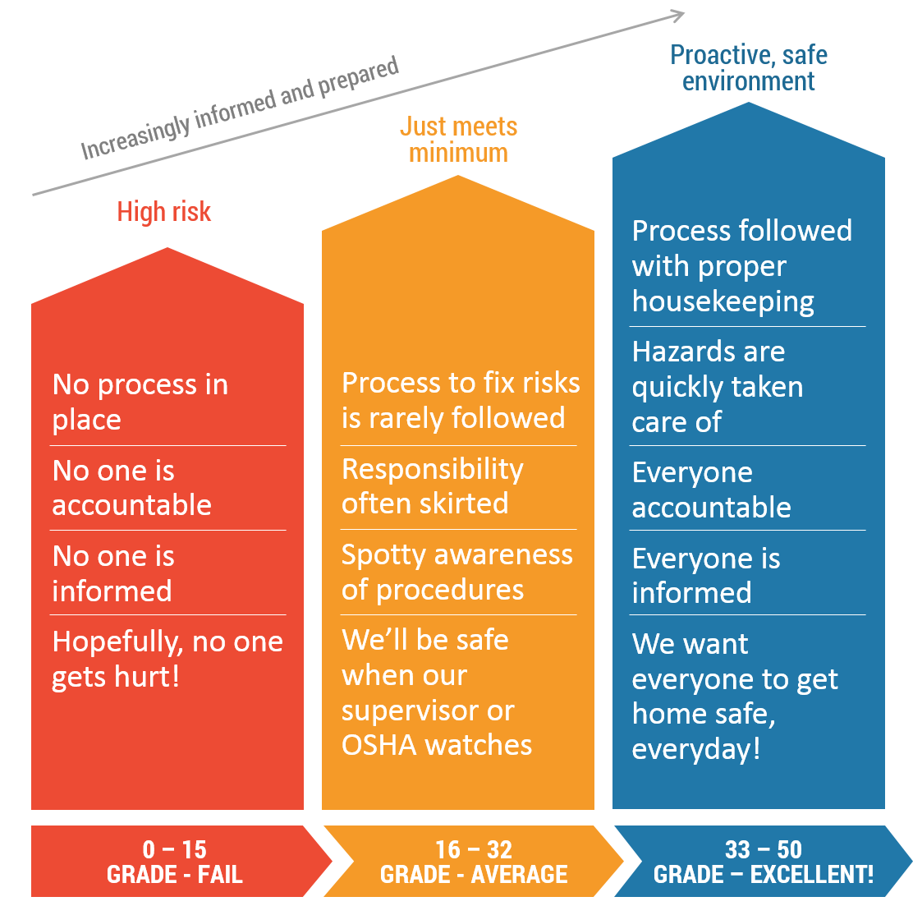

Your Score | 0

