Assessment Form
Safety Culture Maturity Assessment – Where Are You?
Complete the below assessment for your company by entering a 1, 2 or 3 in the "GRADE" column. Everything in the sentence must be true to warrant earning a "2." If the item only occurs "sometimes," enter "1". If never true, or if you don't know, enter "0" (zero). The total will appear at the bottom. Then, click the button to "Find your spot" on the chart!
ALWAYS = 2
SOMETIMES = 1
NEVER = 0
 | Leadership | GRADE
1 | Is there a concrete definition of what success looks like for your safety program?
2 | Is there is visible leadership commitment at all levels of your organization?
3 | Does everyone in your organization know the vision of the desired safety culture your organization wishes to achieve? (If you asked, could they tell you?)
4 | Do you host regular, facility-wide communications on safety topics?
5 | Do all employees feel comfortable reporting safety issues to their supervisors?
6 | Do all managers & supervisors consistently respond positively when safety issues are raised?
 | Organizational
7 | Is there is visible evidence of a financial investment in your safety?
8 | Is everyone in your organization involved in safety?
9 | Are regular, detailed audits of your company’s safety program conducted by an external auditor?
10 | Is safety viewed as an investment, not a cost, by the executive level of your organization?
11 | Does your organization have the willpower to make major changes when necessary for safety?
 | Operational
12 | Does safety come first every time and there are no competing priorities (such as production, time, budget, resources)?
13 | Do all employees throughout your company have a working knowledge of safety topics?
14 | Is safety the first item on the agenda of every work group meeting?
15 | Is there a fair and just discipline system is in place for all employees, in reference to following safety procedures?
16 | Is "record of safety" a check and condition of employment?
17 | Do you keep accurate and detailed reporting of injuries and illnesses?
18 | Do you keep accurate and detailed reporting of near misses, and even though a “miss”, is action taken to help correct hazardous situations?
19 | Are all safety issues dealt with in a timely and efficient manner?
 | Employee Engagement
20 | Are all employees encouraged to identify any safety issue - and it’s immediately resolved - before a problem occurs (no matter how minor it seems)?
21 | Are employees are actively engaged in your safety initiatives, and participation is high, indicating that employees are highly motivated and your internal marketing of your programs is effective?
22 | Do employees report high job satisfaction due to your company’s commitment to their health and well-being?
23 | Do you have a reward and recognition program for good safety behavior, regularly given? Do these serve to motivate continued safety performance?
24 | Are all employees, throughout your organization, empowered (with the necessary resources and authority) to find and fix problems as they see them?
25 | Are employees consistently speaking up to help protect the safety of others around them?
 | Your Score: | 0
CLICK TO FIND YOUR SPOT ON THE MATURITY CHART!

Find your spot!
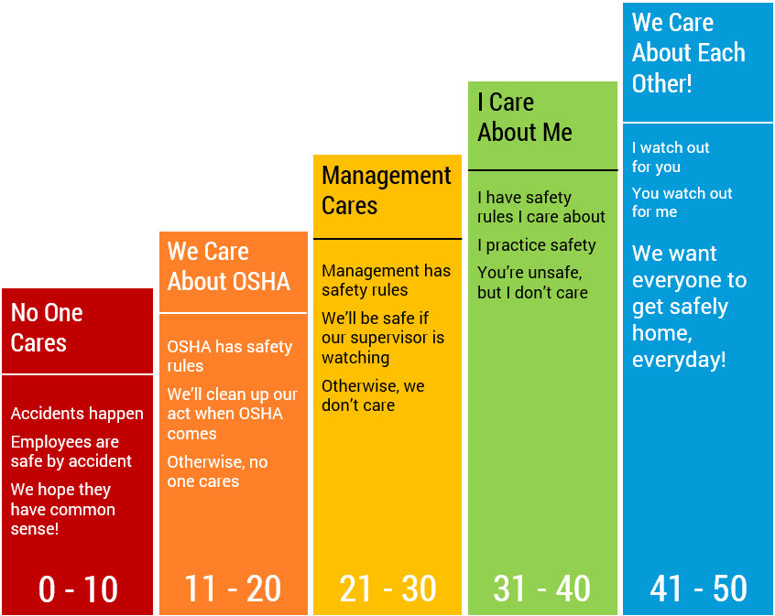
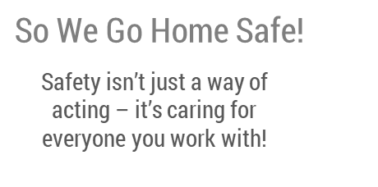

Your Score | 0

